Trade FIT
Document No | Date | Line item | Posting Key | Business Area | Account | Description | Currency | Amount | Local Currency | Amount in LC | LC2 amount | Assignment | Text/CI No | Cost Center | Profit Center | Buyer Name | Value Date | PI Number | Clearing Document
2109000350 | 2022-06-30 | 1 | 40 | CIPL | 10349998 | Funds in Transit | USD | 2,154,309.00 | BDT | 199,273,582.50 | 2,154,309.00 | FIT-JUN-22-TRADEHK | FIT-TRADE-EDLHK-JUN-22
 |  | 2 | 12 | CIP1 | 1010 | EPIC Designers Ltd (HK) | USD | -2,154,309.00 | BDT | -199,273,582.50 | -2,154,309.00 | FIT-JUN-22-TRADEHK | FIT-TRADE-EDLHK-JUN-22 |  |  |  |  |  | 2203000117

Document No | Date | Line item | Posting Key | Business Area | Account | Description | Currency | Amount | Local Currency | Amount in LC | LC2 amount | Assignment | Text/CI No | Cost Center | Profit Center | Buyer Name | Value Date | PI Number | Clearing Document
2109000352 | 2022-06-30 | 1 | 40 |  | 10349998 | Funds in Transit | USD | 32,099.83 | BDT | 2,969,234.28 | 32,099.83 | FIT-TRADE-DWC-JUN | FIT-TRADE-DWC-JUN-22
 |  | 2 | 12 |  | 5010 | Epic Garments DWC - LLC | USD | -32,099.83 | BDT | -2,969,234.28 | -32,099.83 | FIT-TRADE-DWC-JUN | FIT-TRADE-DWC-JUN-22 |  |  |  |  |  | 2203000125

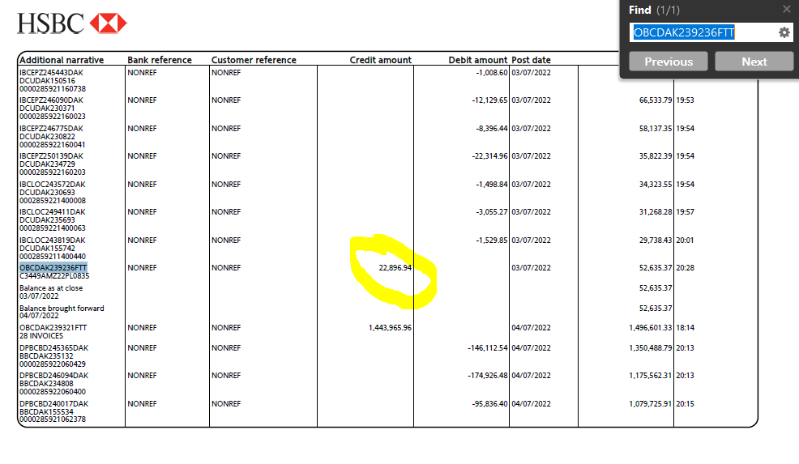
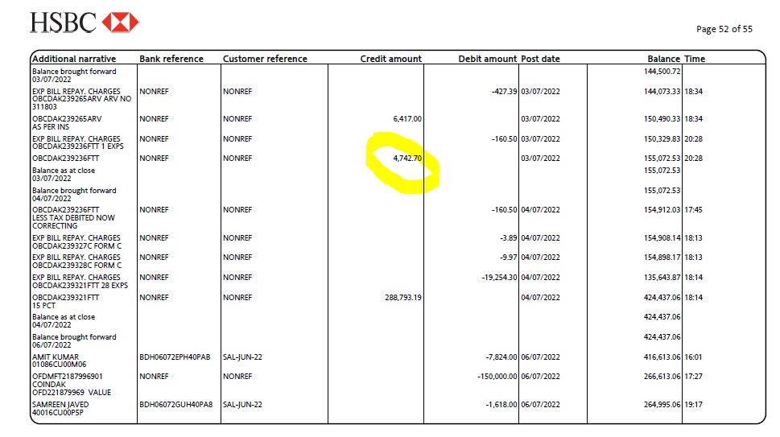
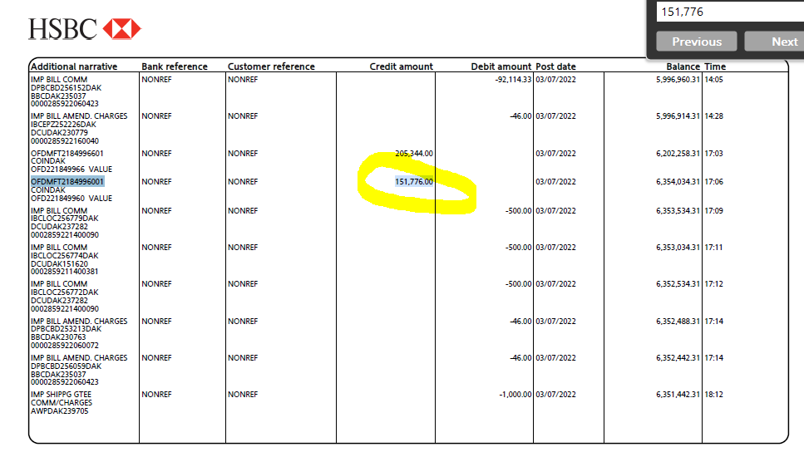
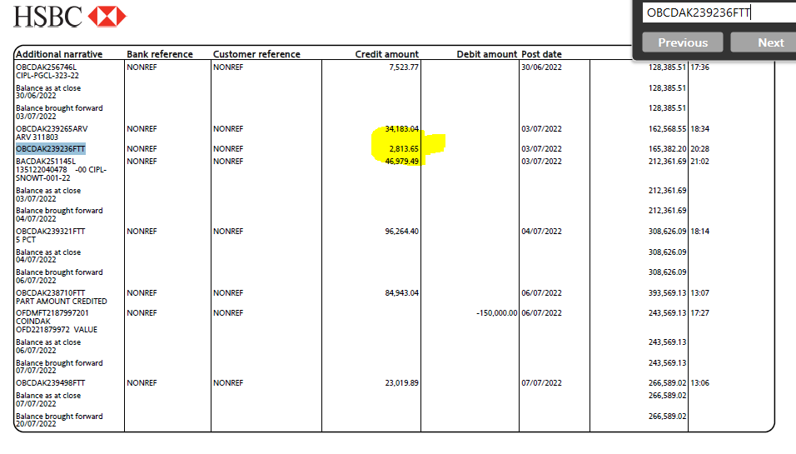
Document No | Date | Line item | Posting Key | Business Area | Account | Description | Currency | Amount | Local Currency | Amount in LC | LC2 amount | Assignment | Text/CI No | Cost Center | Profit Center | Buyer Name | Value Date | PI Number | Clearing Document
2209000001 | 2022-07-03 | 1 | 40 | CIP1 | 10340110 | HSBC - 091 - Main (U | USD | 22,896.94 | BDT | 2,117,966.95 | 22,896.94 | OBCDAK239236FTT | C3449AMZ22PL0835 |  |  |  | 07/03/2022
 |  | 2 | 40 |  | 10340080 | HSBC - 047 (ERQ-USD) | USD | 4,742.70 | BDT | 438,699.75 | 4,742.70 | OBCDAK239236FTT | C3449AMZ22PL0835 |  |  |  | 07/21/2022
 |  | 3 | 40 |  | 10340120 | HSBC - 092 - Main (U | USD | 2,813.65 | BDT | 260,262.63 | 2,813.65 | OBCDAK239236FTT | C3449AMZ22PL0835 |  |  |  | 07/21/2022
 |  | 4 | 40 |  | 10340030 | HSBC - 015 - Main | USD | 1,581.00 | BDT | 151,776.00 | 1,581.00 | OBCDAK239236FTT | C3449AMZ22PL0835 |  |  |  | 07/21/2022
 |  | 5 | 40 | CIP1 | 50602004 | Export - Buyer Bank | USD | 65.54 | BDT | 6,062.45 | 65.54 | OBCDAK239236FTT | C3449AMZ22PL0835 | 20102G0215 | 2010300001
 |  | 6 | 40 | CIP1 | 50801001 | Turnover Tax | USD | 160.5 | BDT | 14,846.25 | 160.5 | OBCDAK239236FTT | C3449AMZ22PL0835 | 20102G0215 | 2010300001
 |  | 7 | 50 |  | 10340080 | HSBC - 047 (ERQ-USD) | USD | -160.5 | BDT | -14,846.25 | -160.5 | OBCDAK239236FTT | C3449AMZ22PL0835 |  |  |  | 07/21/2022
 |  | 8 | 40 | CIP1 | 50602002 | Export - Bank Charg | USD | 13.96 | BDT | 1,305.12 | 13.96 | OBCDAK239236FTT | C3449AMZ22PL0835 | 20102G0230 | 2010300001
 |  | 9 | 40 | CIP1 | 50201025 | Central WPPF | USD | 9.53 | BDT | 890.77 | 9.53 | OBCDAK239236FTT | C3449AMZ22PL0835 | 20102G0215 | 2010300001
 |  | 10 | 50 |  | 10340030 | HSBC - 015 - Main | USD | -23.49 | BDT | -2,195.89 | -23.49 | OBCDAK239236FTT | C3449AMZ22PL0835 |  |  |  | 07/21/2022
 |  | 11 | 15 |  | 5010 | Epic Garments DWC - LLC | USD | -32,099.83 | BDT | -2,829,600.01 | -32,099.83 | 20220703 | C3449AMZ22PL0835 |  |  |  |  |  | 2209000001
 |  | 12 | 50 | CIP1 | 40201017 | Exchange Gain - Real | USD | 0 | BDT | -145,167.77 | 0 | 20220703 |  | 20102G0215 | 2010300001

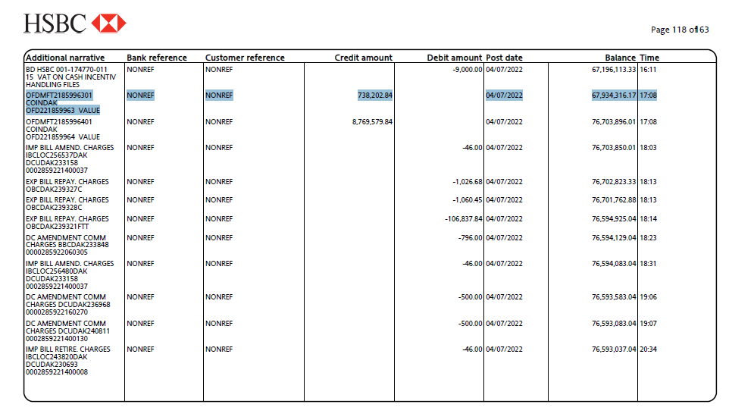
 |  |  |  |  |  |  |  |  |  |  |  |  |  |  |  |  |  |  |  | Doc. | 2209000002 | 2209000003 | 2209000004 | Total
 |  |  |  |  |  |  |  |  |  |  |  |  |  |  |  |  |  |  |  | Amt. | 74,630.85 | 191,523.70 | 472,048.29 | 738,202.84
Document No | Date | Line item | Posting Key | Business Area | Account | Description | Currency | Amount | Local Currency | Amount in LC | LC2 amount | Assignment | Text/CI No | Cost Center | Profit Center | Buyer Name | Value Date | PI Number | Clearing Document
2209000002 | 2022-07-04 | 1 | 40 | CIP1 | 10340030 | HSBC - 015 - Main | USD | 777 | BDT | 74,630.85 | 777 | 20220704 | SC3578LVUS035-22SC3578LVUS036-22SC3578LVCA037-22 |  |  |  | 07/21/2022
 |  | 2 | 40 | CIP1 | 50801001 | Turnover Tax | USD | 3.89 | BDT | 359.83 | 3.89 | OBCDAK239327C | SC3578LVUS035-22SC3578LVUS036-22SC3578LVCA037-22 | 20102G0215 | 2010300001
 |  | 3 | 50 |  | 10340080 | HSBC - 047 (ERQ-USD) | USD | -3.89 | BDT | -359.83 | -3.89 | OBCDAK239327C | SC3578LVUS035-22SC3578LVUS036-22SC3578LVCA037-22 |  |  |  | 07/21/2022
 |  | 4 | 40 | CIP1 | 50602002 | Export - Bank Charg | USD | 10.75 | BDT | 1,005.12 | 10.75 | OBCDAK239327C | SC3578LVUS035-22SC3578LVUS036-22SC3578LVCA037-22 | 20102G0230 | 2010300001
 |  | 5 | 40 | CIP1 | 50201025 | Central WPPF | USD | 0.23 | BDT | 21.56 | 0.23 | OBCDAK239327C | SC3578LVUS035-22SC3578LVUS036-22SC3578LVCA037-22 | 20102G0215 | 2010300001
 |  | 6 | 50 |  | 10340030 | HSBC - 015 - Main | USD | -10.98 | BDT | -1,026.68 | -10.98 | OBCDAK239327C | SC3578LVUS035-22SC3578LVUS036-22SC3578LVCA037-22 |  |  |  | 07/21/2022
 |  | 7 | 15 | CIP1 | 1010 | EPIC Designers Ltd (HK) | USD | -777 | BDT | -66,433.50 | -777 | 20220704 | SC3578LVUS035-22SC3578LVUS036-22SC3578LVCA037-22 |  |  |  |  |  | 2209000002
 |  | 8 | 50 | CIP1 | 40201017 | Exchange Gain - Real | USD | 0 | BDT | -8,197.35 | 0 | 20220704 |  | 20102G0215 | 2010300001

Document No | Date | Line item | Posting Key | Business Area | Account | Description | Currency | Amount | Local Currency | Amount in LC | LC2 amount | Assignment | Text/CI No | Cost Center | Profit Center | Buyer Name | Value Date | PI Number | Clearing Document
2209000003 | 2022-07-04 | 1 | 40 | CIP1 | 10340030 | HSBC - 015 - Main | USD | 1,994.00 | BDT | 191,523.70 | 1,994.00 | OBCDAK239328C | SC3578LVUS029-22SC3578LVUS027-22SC3578LVCA026-22 |  |  |  | 07/21/2022
 |  | 2 | 40 | CIP1 | 50801001 | Turnover Tax | USD | 9.97 | BDT | 922.23 | 9.97 | OBCDAK239328C | SC3578LVUS029-22SC3578LVUS027-22SC3578LVCA026-22 | 20102G0215 | 2010300001
 |  | 3 | 50 |  | 10340080 | HSBC - 047 (ERQ-USD) | USD | -9.97 | BDT | -922.23 | -9.97 | OBCDAK239328C | SC3578LVUS029-22SC3578LVUS027-22SC3578LVCA026-22 |  |  |  | 07/21/2022
 |  | 4 | 40 | CIP1 | 50602002 | Export - Bank Charg | USD | 10.75 | BDT | 1,005.12 | 10.75 | OBCDAK239328C | SC3578LVUS029-22SC3578LVUS027-22SC3578LVCA026-22 | 20102G0230 | 2010300001
 |  | 5 | 40 | CIP1 | 50201025 | Central WPPF | USD | 0.59 | BDT | 55.33 | 0.59 | OBCDAK239328C | SC3578LVUS029-22SC3578LVUS027-22SC3578LVCA026-22 | 20102G0215 | 2010300001
 |  | 6 | 50 |  | 10340030 | HSBC - 015 - Main | USD | -11.34 | BDT | -1,060.45 | -11.34 | OBCDAK239328C | SC3578LVUS029-22SC3578LVUS027-22SC3578LVCA026-22 |  |  |  | 07/21/2022
 |  | 7 | 15 | CIP1 | 1010 | EPIC Designers Ltd (HK) | USD | -1,994.00 | BDT | -170,487.00 | -1,994.00 | 20220704 | SC3578LVUS029-22SC3578LVUS027-22SC3578LVCA026-22 |  |  |  |  |  | 2209000003
 |  | 8 | 50 | CIP1 | 40201017 | Exchange Gain - Real | USD | 0 | BDT | -21,036.70 | 0 | 20220704 |  | 20102G0215 | 2010300001

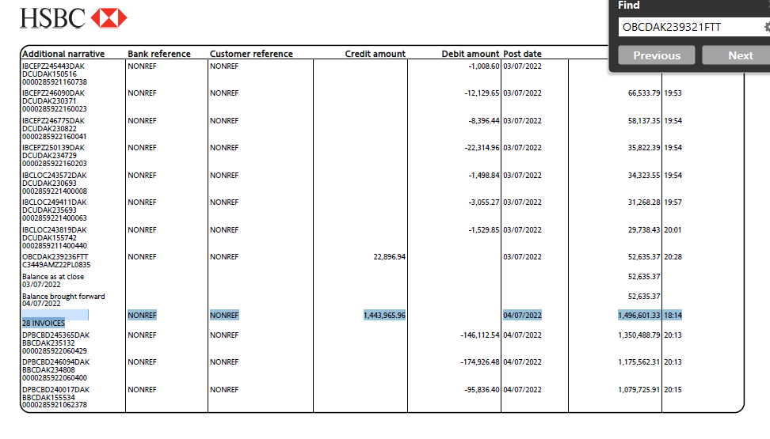
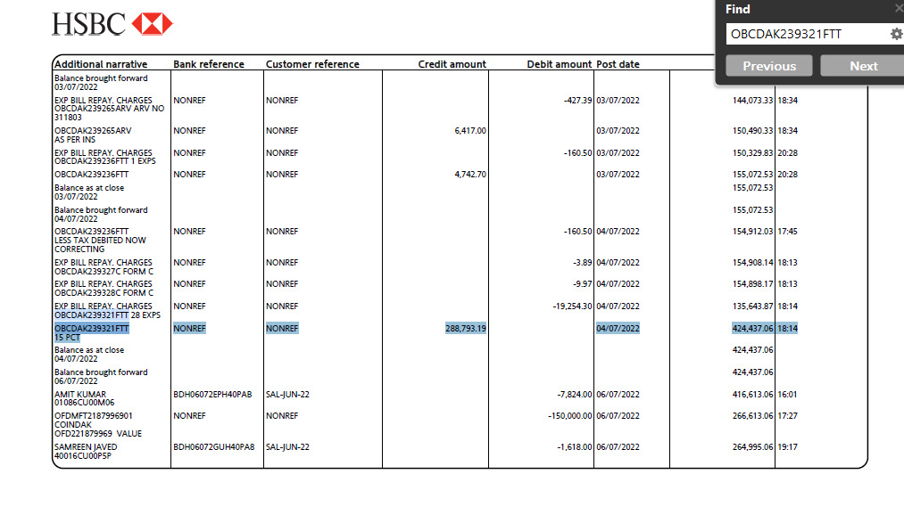
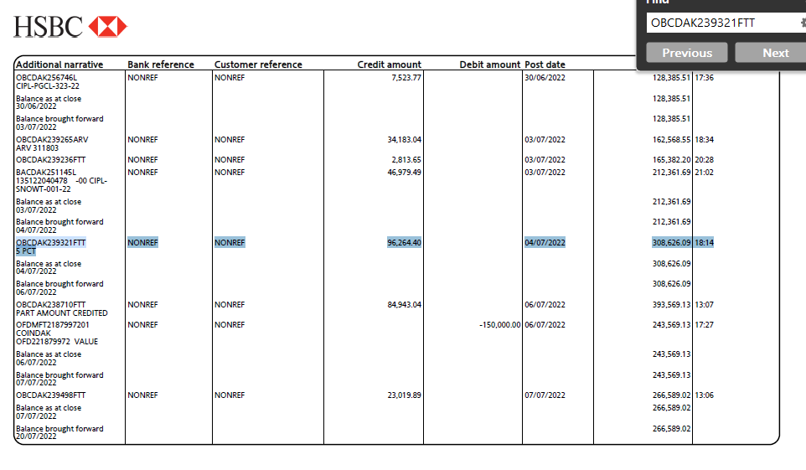
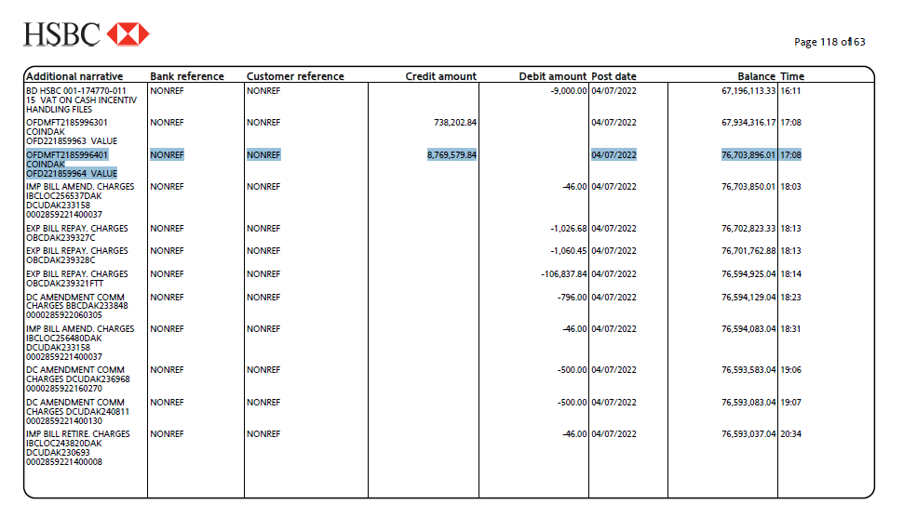
Document No | Date | Line item | Posting Key | Business Area | Account | Description | Currency | Amount | Local Currency | Amount in LC | LC2 amount | Assignment | Text/CI No | Cost Center | Profit Center | Buyer Name | Value Date | PI Number | Clearing Document
2209000004 | 2022-07-04 | 1 | 40 | CIP1 | 10340110 | HSBC - 091 - Main (U | USD | 1,443,965.96 | BDT | 133,566,851.30 | 1,443,965.96 | OBCDAK239321FTT | C3592UQ22TOM0907C3592UQ22OSA0911C3581UQ22OSA0919 |  |  |  | 07/04/2022
 |  | 2 | 40 |  | 10340080 | HSBC - 047 (ERQ-USD) | USD | 288,793.19 | BDT | 26,713,370.08 | 288,793.19 | OBCDAK239321FTT | C3592UQ22TOM0907C3592UQ22OSA0911C3581UQ22OSA0919 |  |  |  | 07/21/2022
 |  | 3 | 40 |  | 10340120 | HSBC - 092 - Main (U | USD | 96,264.40 | BDT | 8,904,457.00 | 96,264.40 | OBCDAK239321FTT | C3592UQ22TOM0907C3592UQ22OSA0911C3581UQ22OSA0919 |  |  |  | 07/21/2022
 |  | 4 | 40 |  | 10340030 | HSBC - 015 - Main | USD | 91,349.79 | BDT | 8,769,579.84 | 91,349.79 | OBCDAK239321FTT | C3592UQ22TOM0907C3592UQ22OSA0911C3581UQ22OSA0919 |  |  |  | 07/21/2022
 |  | 5 | 40 |  | 10340030 | HSBC - 015 - Main | USD | 4,914.61 | BDT | 472,048.29 | 4,914.61 | OBCDAK239321FTT | C3592UQ22TOM0907C3592UQ22OSA0911C3581UQ22OSA0919 |  |  |  | 07/21/2022
 |  | 6 | 40 | CIP1 | 50602004 | Export - Buyer Bank | USD | 41.95 | BDT | 3,880.38 | 41.95 | OBCDAK239321FTT | C3592UQ22TOM0907C3592UQ22OSA0911C3581UQ22OSA0919 | 20102G0215 | 2010300001
 |  | 7 | 40 | CIP1 | 50801001 | Turnover Tax | USD | 19,254.30 | BDT | 1,781,022.75 | 19,254.30 | OBCDAK239321FTT | C3592UQ22TOM0907C3592UQ22OSA0911C3581UQ22OSA0919 | 20102G0215 | 2010300001
 |  | 8 | 50 |  | 10340080 | HSBC - 047 (ERQ-USD) | USD | -19,254.30 | BDT | -1,781,022.75 | -19,254.30 | OBCDAK239321FTT | C3592UQ22TOM0907C3592UQ22OSA0911C3581UQ22OSA0919 |  |  |  | 07/21/2022
 |  | 9 | 40 | CIP1 | 50602002 | Export - Bank Charg | USD | 571.2 | BDT | 53,407.16 | 571.2 | OBCDAK239321FTT | C3592UQ22TOM0907C3592UQ22OSA0911C3581UQ22OSA0919 | 20102G0230 | 2010300001
 |  | 10 | 40 | CIP1 | 50201025 | Central WPPF | USD | 571.45 | BDT | 53,430.68 | 571.45 | OBCDAK239321FTT | C3592UQ22TOM0907C3592UQ22OSA0911C3581UQ22OSA0919 | 20102G0215 | 2010300001
 |  | 11 | 50 |  | 10340030 | HSBC - 015 - Main | USD | -1,142.65 | BDT | -106,837.84 | -1,142.65 | OBCDAK239321FTT | C3592UQ22TOM0907C3592UQ22OSA0911C3581UQ22OSA0919 |  |  |  | 07/21/2022
 |  | 12 | 09 |  | 1010 | EPIC Designers Ltd (HK) | USD | 34,358.00 | BDT | 2,922,147.90 | 34,358.00 | OBCDAK234631ARV | CM advan adjusted, ref-OBCDAK234631ARV |  |  |  |  |  | 2206000000
 |  | 13 | 09 |  | 1010 | EPIC Designers Ltd (HK) | USD | 56,262.00 | BDT | 5,113,483.07 | 56,262.00 | OBCDAK237573ARV | CM advan adjusted, ref-OBCDAK237573ARV |  |  |  |  |  | 2206000000
 |  | 14 | 09 |  | 1010 | EPIC Designers Ltd (HK) | USD | 42,765.00 | BDT | 3,782,243.51 | 42,765.00 | OBCDAK239099ARV | CM advan adjusted, ref-OBCDAK239099ARV |  |  |  |  |  | 2206000000
 |  | 15 | 15 |  | 1010 | EPIC Designers Ltd (HK) | USD | -2,048,165.90 | BDT | -180,545,824.09 | -2,048,165.90 | 20220704 | C3592UQ22TOM0907C3592UQ22OSA0911C3581UQ22OSA0919 |  |  |  |  |  | 2209000004
 |  | 16 | 15 | CIP1 | 1010 | EPIC Designers Ltd (HK) | USD | -10,549.00 | BDT | -901,939.50 | -10,549.00 | 20220704 | C3592UQ22TOM0907C3592UQ22OSA0911C3581UQ22OSA0919 |  |  |  |  |  | 2209000004
 |  | 17 | 40 |  | 50605002 | Exchange Loss - Real | USD | 0 | BDT | 442,992.16 | 0 | 20220704 |  | 20102G0215 | 2010300001
 |  | 18 | 40 | CIP1 | 50605002 | Exchange Loss - Real | USD | 0 | BDT | 100,604.75 | 0 | 20220704 |  | 20102G0215 | 2010300001
 |  | 19 | 50 | CIP1 | 40201017 | Exchange Gain - Real | USD | 0 | BDT | -75,690.38 | 0 | 20220704 |  | 20102G0215 | 2010300001
 |  | 20 | 50 | CIP1 | 40201017 | Exchange Gain - Real | USD | 0 | BDT | -9,268,204.31 | 0 | 20220704 |  | 20102G0215 | 2010300001

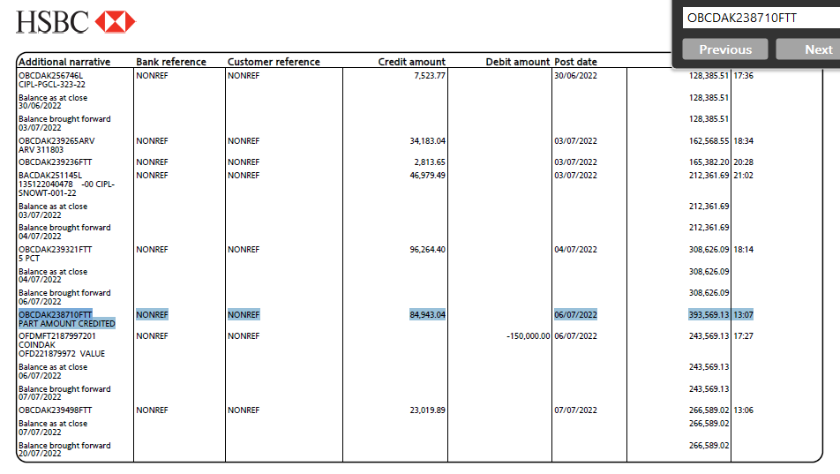
Document No | Date | Line item | Posting Key | Business Area | Account | Description | Currency | Amount | Local Currency | Amount in LC | LC2 amount | Assignment | Text/CI No | Cost Center | Profit Center | Buyer Name | Value Date | PI Number | Clearing Document
2209000017 | 2022-07-06 | 1 | 40 | CIP1 | 10340120 | HSBC - 092 - Main (U | USD | 84,943.04 | BDT | 7,857,231.20 | 84,943.04 | OBCDAK238710FTT | C3581UQ22TOK0852 -Balance amount rcvd |  |  |  | 08/01/2022
 |  | 2 | 40 | CIP1 | 50602004 | Export - Buyer Bank | USD | 40.96 | BDT | 3,788.80 | 40.96 | OBCDAK238710FTT | C3581UQ22TOK0852 | 20102G0215 | 2010300001
 |  | 3 | 15 |  | 1010 | EPIC Designers Ltd (HK) | USD | -84,984.00 | BDT | -7,491,339.60 | -84,984.00 | 20220706 |  |  |  |  |  |  | 2209000017
 |  | 4 | 50 | CIP1 | 40201017 | Exchange Gain - Real | USD | 0 | BDT | -369,680.40 | 0 | 20220706 |  | 20102G0215 | 2010300001

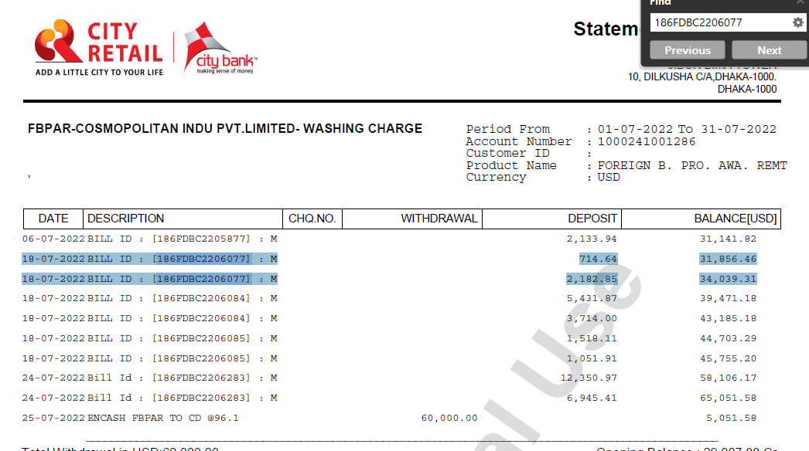
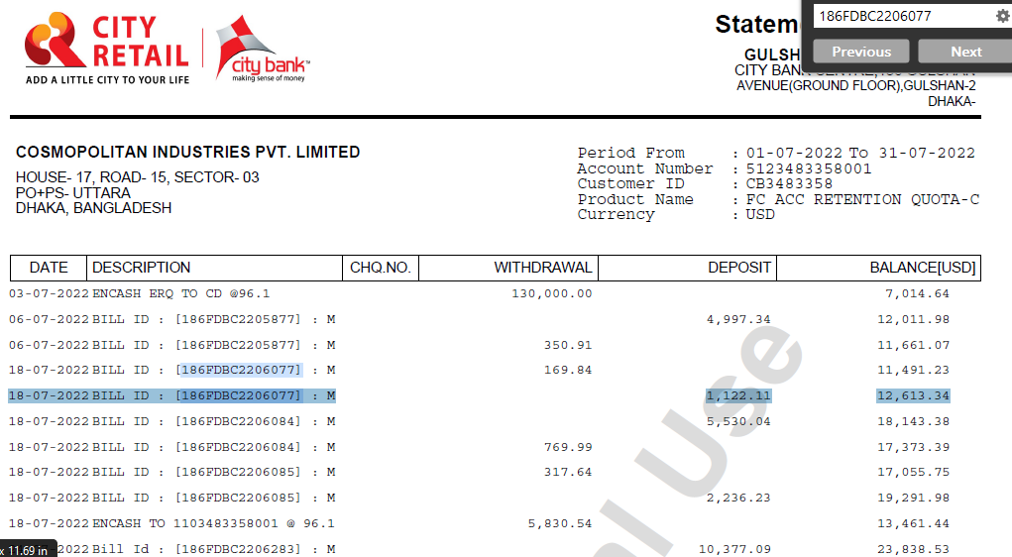
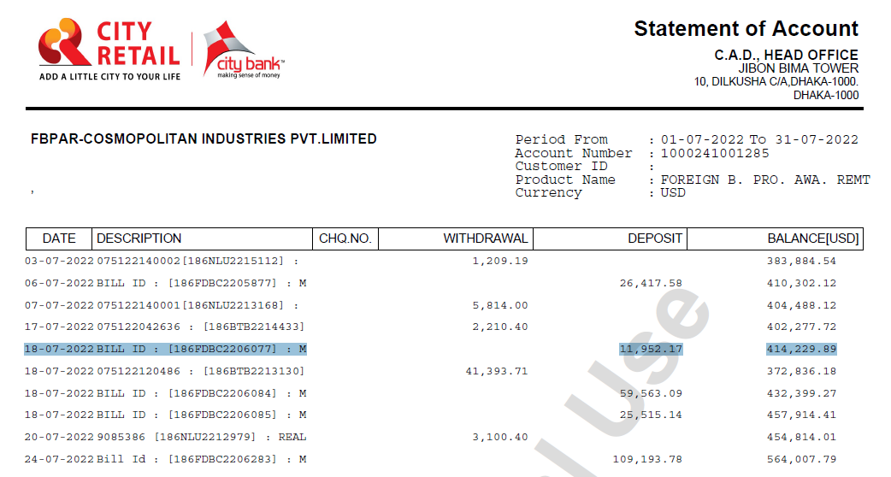
Document No | Date | Line item | Posting Key | Business Area | Account | Description | Currency | Amount | Local Currency | Amount in LC | LC2 amount | Assignment | Text/CI No | Cost Center | Profit Center | Buyer Name | Value Date | PI Number | Clearing Document
2209000019 | 2022-07-18 | 1 | 40 |  | 10340240 | CBL 1000241001285 M | USD | 11,952.17 | BDT | 1,105,575.73 | 11,952.17 | 186FDBC2206077 | C3541LVTW0950-22C3541LVTW0950-22C3521LVHK0949-22 |  |  |  | 08/01/2022
 |  | 2 | 40 |  | 10340250 | CBL 1000241001286 M | USD | 2,182.85 | BDT | 201,913.63 | 2,182.85 | 186FDBC2206077 | C3541LVTW0950-22C3541LVTW0950-22C3521LVHK0949-22 |  |  |  | 08/01/2022
 |  | 3 | 40 |  | 10340220 | CBL 5123483358001 M | USD | 1,122.11 | BDT | 103,795.18 | 1,122.11 | 186FDBC2206077 | C3541LVTW0950-22C3541LVTW0950-22C3521LVHK0949-22 |  |  |  | 08/01/2022
 |  | 4 | 40 |  | 10340250 | CBL 1000241001286 M | USD | 714.64 | BDT | 66,104.20 | 714.64 | 186FDBC2206077 | C3541LVTW0950-22C3541LVTW0950-22C3521LVHK0949-22 |  |  |  | 08/01/2022
 |  | 5 | 40 | CIP1 | 50602004 | Export - Buyer Bank | USD | 81.92 | BDT | 7,577.60 | 81.92 | 186FDBC2206077 | C3541LVTW0950-22C3541LVTW0950-22C3521LVHK0949-22 | 20102G0215 | 2010300001
 |  | 6 | 40 | CIP1 | 50602002 | Export - Bank Charg | USD | 5.33 | BDT | 493.03 | 5.33 | 186FDBC2206077 | C3541LVTW0950-22C3541LVTW0950-22C3521LVHK0949-22 | 20102G0215 | 2010300001
 |  | 7 | 40 | CIP1 | 50201025 | Central WPPF | USD | 4.79 | BDT | 443.08 | 4.79 | 186FDBC2206077 | C3541LVTW0950-22C3541LVTW0950-22C3521LVHK0949-22 | 20102G0215 | 2010300001
 |  | 8 | 40 | CIP1 | 50801001 | Turnover Tax | USD | 159.72 | BDT | 14,774.10 | 159.72 | 186FDBC2206077 | C3541LVTW0950-22C3541LVTW0950-22C3521LVHK0949-22 | 20102G0215 | 2010300001
 |  | 9 | 50 |  | 10340220 | CBL 5123483358001 M | USD | -169.84 | BDT | -15,710.20 | -169.84 | 186FDBC2206077 | C3541LVTW0950-22C3541LVTW0950-22C3521LVHK0949-22 |  |  |  | 08/01/2022
 |  | 10 | 15 |  | 1010 | EPIC Designers Ltd (HK) | USD | -16,053.69 | BDT | -1,484,966.33 | -16,053.69 | 20220718 | C3541LVTW0950-22C3541LVTW0950-22C3521LVHK0949-22 |  |  |  |  |  | 2209000019
 |  | 11 | 50 | CIP1 | 40201017 | Exchange Gain - Real | USD | 0 | BDT | -0.02 | 0 | 20220718 |  | 20102G0215 | 2010300001

 |  |  |  | Beakdown
 |  |  |  | Reference | Assignment | Document Type | Document currency | Amount in doc. curr.
 |  |  |  | C3541LVTW0950-22 | EDL/0041129/21 | RV | USD | 7,839.22
 |  |  |  | C3541LVJP0948-22 | EDL/0041164/21 | RV | USD | 4,980.47
 |  |  |  | C3521LVHK0949-22 | EDL/0041165/21 | RV | USD | 3,234.00
 |  |  |  | C3541LVTW0950-22 | 20220718 | DZ | USD | -16,053.69

